工作表1
Xmind
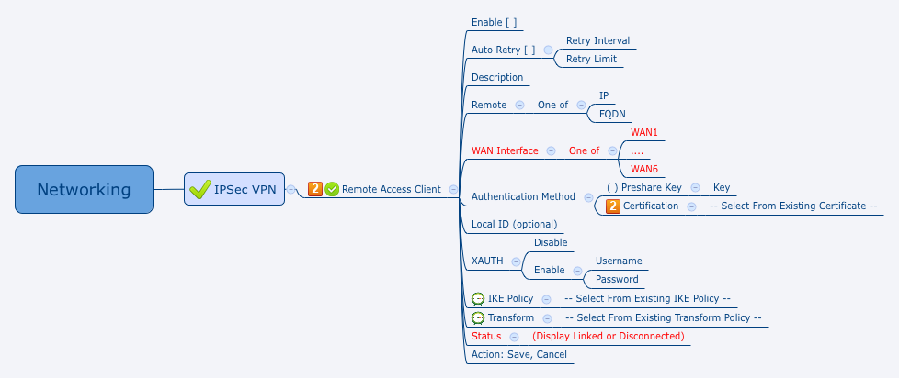

Behavior
1. Disable 時，其他欄位都是 Grayout 狀態。

[UI Display Name] | [CGI Name] | [JSON Name] | [Description] | [Range / Default Value / Units]
Enable | vpnc.cgi | enable | 0:disable, 1:enable | Default: 0
Auto Retry | vpnc.cgi | autoRetryEnable | 0:disable, 1:enable | Default: 0
Retry Interval | vpnc.cgi | retryInterval | Integer | Range: 120-1800 seconds, Default: 120
Retry Limit | vpnc.cgi | retryLimitCnt | Integer | 0-16, Default: 2
Description | vpnc.cgi | desc | String | Length: 255
Remote | vpnc.cgi | remoteGw | one of the following two types: ipaddr / domain | Length: 127
WAN Interface | vpnc.cgi | wanId | An integer gid from common_wanIf_list.cgi
Authentication Method | vpnc.cgi | phase1AuthType | 0:preshared key, 1:certificate | Default: 0
Preshare Key | vpnc.cgi | presharedkey | String | Length: 255
Local ID | vpnc.cgi | localId | String | Length: 127 (Optional)
XAUTH Enable | vpnc.cgi | xauthEnable | 0:disable, 1:enable
XAUTH Username | vpnc.cgi | xauthUsername | String | Length: 127
XAUTH Password | vpnc.cgi | xauthPassword | String | Length: 127
IKE Policy | vpnc.cgi | ikePolicyId | An integer gid from ipsecike.cgi
Transform | vpnc.cgi | transformPolicyId | An integer gid from ipsectransform.cgi
Status | vpncStatus.cgi | status | 0: Disconnected, 1: Linked

JSON String
## cgi name ##
vpnc.cgi
## GET & POST methods ##
{
"enable": 0,
"autoRetryEnable": 0,
"retryInterval": 120,
"retryLimitCnt": 2,
"desc": "",
"remoteGw": "",
"wanId": 0,
"phase1AuthType": 0,
"presharedkey": "",
"localId": "0",
"xauthEnable": 0,
"xauthUsername": "",
"xauthPassword": "",
"ikePolicyId": 0,
"transformPolicyId": 0
}
## cgi name ##
vpncStatus.cgi
## GET methods ##
{
"status": 0
}

